3_Datatypes_constraints
3_Datatypes_Constraints | SQL QUERY AND ANSWERS

Question 1:
Write a small explanation of all commands in Data Control Language (DCL) and Transaction Control Language (TCL), along with some examples. | DCL (Data Control Language) List of DCL commands: GRANT: This command gives users access privileges to the database. Syntax: GRANT SELECT, UPDATE ON MY_TABLE TO SOME_USER, ANOTHER_USER; REVOKE: This command withdraws the user’s access privileges given by using the GRANT command. Syntax: REVOKE SELECT, UPDATE ON MY_TABLE FROM USER1, USER2; | TCL (Transaction Control Language) Transactions group a set of tasks into a single execution unit. TCL commands are used to control the execution of a transaction: BEGIN: Opens a Transaction. COMMIT: Commits a Transaction. Syntax: COMMIT; ROLLBACK: Rollbacks a transaction in case of any error occurs. Syntax: ROLLBACK; SAVEPOINT: Sets a save point within a transaction. Syntax: SAVEPOINT SAVEPOINT_NAME;

Question 2:
create an table "customer" with following columns
cust_id -- small int cust_no -- medium int cust_firstname -- char cust_lastname -- varchar cust_gender -- varchar cust_dob -- DATE cust_age -- int cust_revenue -- decimal cust_spend_amt -- float cust_address -- TEXT cust_city -- CHAR cust_comments -- TEXT cust_status -- ENUM (active, Inactive) cust_available -- BOOLEAN | CREATE TABLE customer ( cust_id smallint, cust_no mediumint, cust_firstname char, cust_lastname varchar(20), cust_gender varchar(20), cust_dob DATE, cust_age int, cust_revenue decimal, cust_spend_amt float, cust_address TEXT, cust_city CHAR, cust_comments TEXT, cust_status ENUM("active", "Inactive"), cust_available BOOLEAN ); | 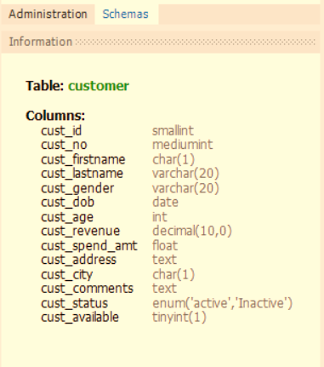 | 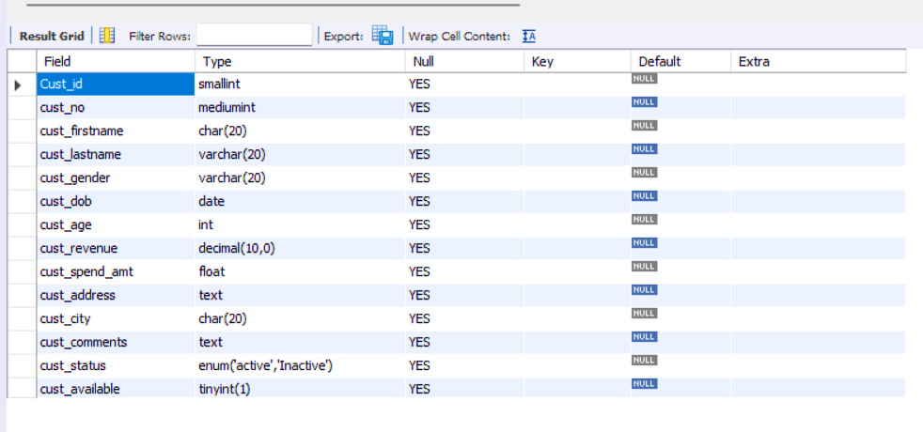

Note : column size as per your wish and enter 5 records into the table

Question 3:
The output of the SELECT statement should be a single column
1) convert a value of the cust_id column to string.
2) convert a value of the cust_dob column to date.
3) convert a value of the cust_revenue column to int
4) convert a value of the cust_available column to text

Question 4:
Return "Child" if the customer's age is less than 18, | SELECT cust_id, cust_age, CASE WHEN cust_age < 18 THEN 'Child' WHEN cust_age >= 21 AND cust_age<= 65 then 'ADULT' ELSE 'Senior Citizen' END AS age_group FROM customer;
Adult Customer if the customer's age is between 21 and 65,
and "Senior Customer" if the customer's age is greater than 65. |  | 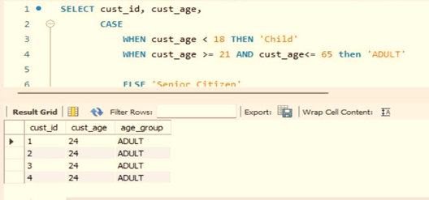

Question 5:
Alter the above table by adding the following constraints | ALTER TABLE customer MODIFY COLUMN cust_id SMALLINT NOT NULL; ALTER TABLE customer MODIFY COLUMN cust_no MEDIUMINT UNIQUE; ALTER TABLE customer MODIFY COLUMN cust_city char(30) default 'NY'; | 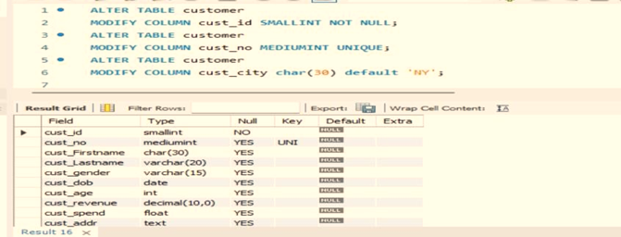
cust_id -- not null cust_no -- unique cust_city -- default with a value NY

Question 6:
Create a table called 'Employees' with the following columns: | create table employees (emp_id int primary key,emp_name varchar(50) not null, emp_age int,emp_dept varchar(50) default 'IT' , CHECK(emp_age >= 18))
EmployeeID as an integer primary key Name as a non-null varchar(50) Age as an integer with a check constraint that ensures the age is greater than or equal to 18 Department as a varchar(50) with a default value of 'IT'. |  |  |  | Reason : Age has a CHECK (Age>=18), Every valu must comes under the CHECK for valid values.

Insert some value and if its failed to insert, will provide the some comment on why it was failing

Question 7:
Create an table "customers1" with below columns | create table customer_data (cust_id int primary key,cust_name varchar(30)); INSERT INTO customer_data(cust_id,cust_name) values(1,'Vishal'); INSERT INTO customer_data(cust_id,cust_name) values(2,'Aiyam'); INSERT INTO customer_data(cust_id,cust_name) values(3,'Perumal'); create table orders (order_id int primary key,cust_id int not null , order_date date, FOREIGN KEY (cust_id) references customer_data(cust_id) ) insert into orders(order_id, cust_id, order_date) values (1,2,'1999-04-04'); insert into orders(order_id, cust_id, order_date) values (2,2,'1999-04-04'

Create an table "orders" with below columns
order_id -- INT -- PRIMARY KEY ,
customer_id -- INT -- NOT NULL ,
order_date -- DATE

Make an connection(link) between customers_data and orders tables
explain what operation you did for that.

Question 8:
Enter some random 5 records of data into customers_data and orders table. | INSERT INTO customer_data(cust_id,cust_name) values(1,'Vishal'); INSERT INTO customer_data(cust_id,cust_name) values(2,'Aiyam'); INSERT INTO customer_data(cust_id,cust_name) values(3,'Perumal'); INSERT INTO customer_data(cust_id,cust_name) values(4,'Aravind'); INSERT INTO customer_data(cust_id,cust_name) values(5,'Prasan'); | insert into orders(order_id,cust_id,order_date) values (1,1,'1999-04-04'); insert into orders(order_id,cust_id,order_date) values (2,2,'2000-02-25'); insert into orders(order_id,cust_id,order_date) values (3,3,'1999-12-25'); insert into orders(order_id,cust_id,order_date) values (4,5,'1999-12-11');

Question 9:
Remove any of 2 records from the customers_data and orders table. | delete from orders where cust_id in (3,5) delete from customer_data where cust_id in (3,5)
Explain how to remove the data from the two tables in a steps

Question 10: | Comparison Basis | Primary Key | Unique Key
Difference between unique and primary key | Basic | The primary key is used as a unique identifier for each record in the table. | The unique key is also a unique identifier for records when the primary key is not present in the table.
 | NULL | We cannot store NULL values in the primary key column. | We can store NULL value in the unique key column, but only one NULL is allowed.
 | Purpose | It enforces entity integrity. | It enforces unique data.
 | Index | The primary key, by default, creates clustered index. | The unique key, by default, creates a non-clustered index.
 | Number of Key | Each table supports only one primary key. | A table can have more than one unique key.
 | Value Modification | We cannot change or delete the primary key values. | We can modify the unique key column values.
 | Uses | It is used to identify each record in the table. | It prevents storing duplicate entries in a column except for a NULL value.
 | Syntax | We can create a primary key column in the table using the below syntax: | We can create a unique key column in the table using the below syntax:

 |  | CREATE TABLE Employee | CREATE TABLE Person
 |  | ( | (
 |  | Id INT PRIMARY KEY, | Id INT UNIQUE,
 |  | name VARCHAR(150), | name VARCHAR(150),
 |  | address VARCHAR(250) | address VARCHAR(250)
 |  | ) | )

Differnce between float, double and decimal | Decimal | Float | Double
 | Data is represented in decimal using 128 bits. | Data is represented in float using 32 bits. | Data is represented in double using 64 bits.
 | The range of decimal values is approximately ±1.0�−28e−28 to ±7.9�28e28. | The range of float values is approximately ±1.5�−45e−45 to ±3.4�38e38. | The range of double values is approximately ±5.0�−324e−324 to ±1.7�308e308.
 | The precision of a decimal number is higher than both float and double. | The precision of a float number is lower than both double and decimal. | The precision of a double number is higher than float but lower than decimal.
 | The accuracy of the decimal is higher than float and double. | The accuracy of the float is lower than decimal and double. | The accuracy of the double is higher than float but lower than decimal.

